JPMC
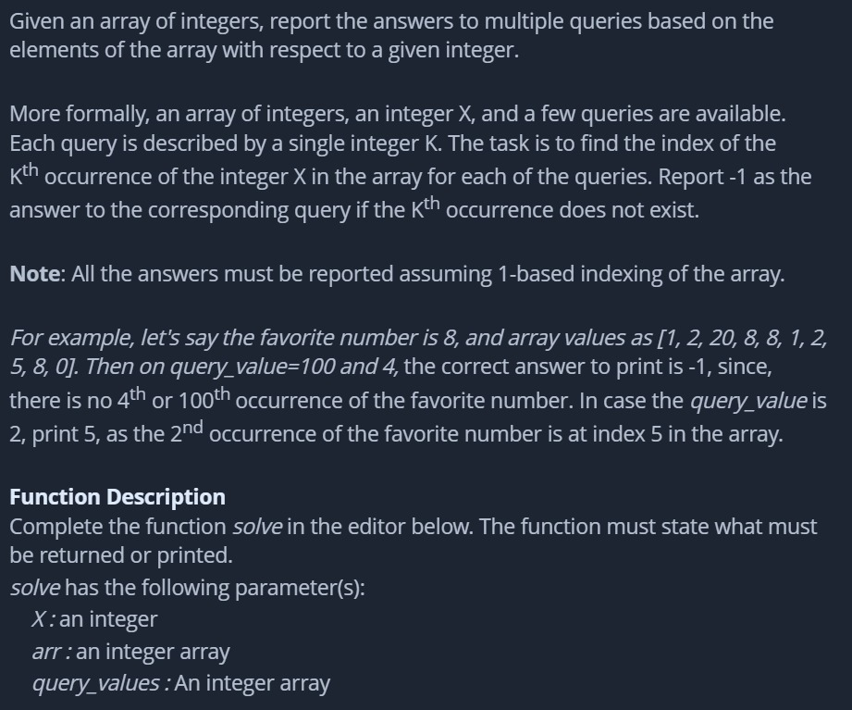
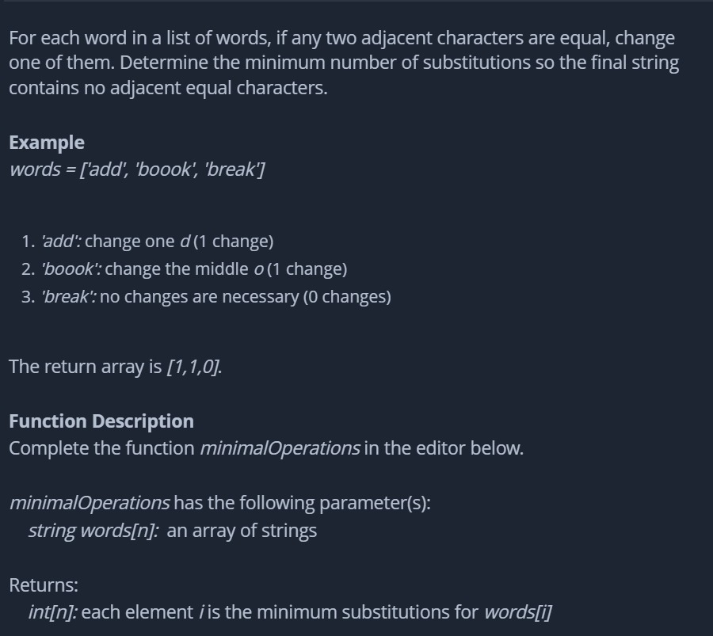
ROUND 1 | CODING ROUND | 60mins | 2 Ques | easy/medium leetocode |  | https://donic0211.medium.com/leetcode-1413-minimum-value-to-get-positive-step-by-step-sum-88c70f2b6883 | wendy bob winner
ROUND 2 | HIREVUE | 10 mins | 2 Ques | 1. Current Goals | 2. Real-life learnig experience

DSA |  |  |  |  |  | Puzzles |  | Inrerview bit
count election vote | 1. Given more time, what would you have done differently for the coding questions? (This is for both of the coding questions!) |  |  |  |  | https://www.geeksforgeeks.org/puzzle-1-how-to-measure-45-minutes-using-two-identical-wires/
weighted job scheduling | 2. Discuss a time in which you were a member of a successful team. What was your role and what were the challenges that you faced? | treasure hunt? |  |  |  | https://www.mathsisfun.com/puzzles/weighing-10-bags-solution.html
https://www.geeksforgeeks.org/nth-node-from-the-end-of-a-linked-list/
Stacks, Queues
Complexity related problems
string palindrome
https://www.geeksforgeeks.org/find-minimum-number-of-coins-that-make-a-change/
https://www.geeksforgeeks.org/reverse-and-add-function/
https://www.geeksforgeeks.org/longest-monotonically-increasing-subsequence-size-n-log-n/
https://www.geeksforgeeks.org/given-an-array-of-numbers-arrange-the-numbers-to-form-the-biggest-number/

Coding round | https://leetcode.com/discuss/interview-question?currentPage=1&orderBy=most_relevant&query=jpmc
Given an array of integers, you can traverse from either left or right direction. Find the minimum number of jumps required to find a given element.
Given a binary linked list, print its decimal equivalent value.
TIPS: Practice solving easy/medium DSA questions from GFG or Leetcode. Arrays, Strings, Searching, Sorting, LinkedList, Stacks, Queues, and HashMap questions are frequently asked.
https://www.geeksforgeeks.org/given-binary-string-count-number-substrings-start-end-1/ | https://www.geeksforgeeks.org/merging-intervals/
https://leetcode.com/problems/count-binary-substrings/ | https://leetcode.com/problems/merge-intervals/
Given an array of string containing names of tools (can be duplicates), the starting index and a target tool, find the minimum number of steps required to reach the target tool from the starting index. The array is circular, that is, if you reach the end of the array, go to its start and vice versa.
https://www.geeksforgeeks.org/jp-morgan-interview-experience-through-code-for-goodcfg/?ref=lbp | https://www.geeksforgeeks.org/stock-buy-sell/

